TM-TMS
TM , TMS Relay |  |  |  |  | Rev. 2024, June

Warning | Eventual change in the time-delay setting must be done with the relay in unpowered state.
 | Any modification on powered relay will be uneffective.

Advice | The switching time is adjustable by means of dip-switches, 0-1 position
 |  | Time delay settings: 50 ms to 9 hours (32.767 seconds)

Step 1 | Please enter the time value , expressed in SECONDS

 | Timing (seconds) |  |  | 1.00 | Min | 0,05 sec.
 |  |  |  |  | Max | 32767 sec.
 | Calculation
 | T | ∑T | ∑t
2 | 2 | 1 | 128
 | T = Full-scale time
 | For details, please consult TMS data sheet (available on website).

Step 2 | Adjust dip-switches as indicated below
 | Moves to "1" position the switches whose sum reaches the value ∑T (4 switches, values from 1 to 8) and ∑t (8 switches, values from 1 to 128)
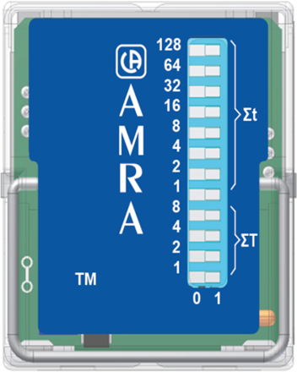
Your setting is: | 128 | 1 | 1
 | 64 | 0 | 0
 | 32 | 0 | 0
 | 16 | 0 | 0
 | 8 | 0 | 0
 | 4 | 0 | 0
 | 2 | 0 | 0
 | 1 | 0 | 0

 | 8 | 0 | 0
 | 4 | 0 | 0
 | 2 | 0 | 0
 | 1 | 1 | 1
 |  | 0 | 1

 | Please note: Grey color refers to the switch position.

RDT
RDT Relay |  |  |  |  | Rev. April 2024

Warning | Eventual change in the time-delay setting must be done with the relay in unpowered state.
 | Any modification on powered relay will be uneffective.

Advice | The function and switching time are adjustable by means of:
 |  | 4 dip-switches, 0-1 position
 |  | 2 rotary-switch, each having 10 positions. The position of the arrow point on each rotary switch indicates the number selected.
 | Function setting: use dip-switch 4.
 |  | OFF = Delay on Pick-up
 |  | ON = Delay on Drop-out
 | Switching time setting: use dip-switch 1 + 2 + 3 & rotary switches.
 |  | Time delay settings: 50 ms to 990 minutes.

Step 1 | Please enter the time value and choose time scale using the drop-down menu

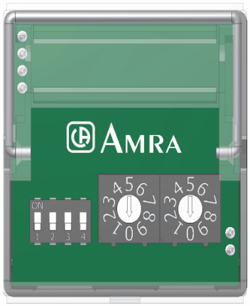
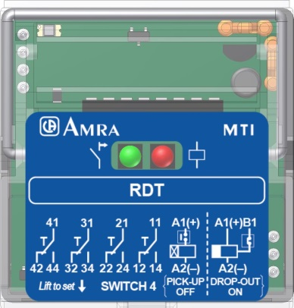
 | Timing | Time scale (use scroll menu)
 | 99 | Cents

Step 2 | Adjust dip-switches & rotary-switches as indicated below

Your setting is: | Dip-switch
 | 1 | 2 | 3 |  | Rotary switches
 |  |  |  | On | Tens | Units
 |  |  |  | Off | 9 | 9

 |  |  |  |  |  |  | Lift the cover for setting acces

TMM
TMM Relay |  |  |  | Rev. March 2024

Warning | Eventual change in the time-delay setting must be done with the relay in unpowered state.
 | Any modification on powered relay will be uneffective.

Advice | The function and switching time are adjustable by means of 4 rotary-switch located on the front of the relay, each having 10 positions,
 | The position of the arrow point on each rotary switch indicates the number selected.
 | Function setting: use "Function" rotary switch. Please consult TMM data sheet for function details (available on website).
 | Switching time setting: use "Range" + "Tens" + "Units" rotary switches.
 |  | Time delay settings: 100 ms to 99 hours.

Step 1 | Please choose the time value and time scale using the drop-down menu
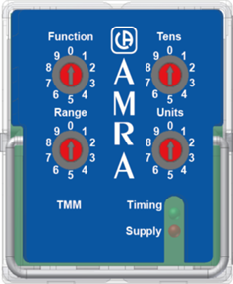
 | Timing (use scroll menu) | Time scale (use scroll menu)
 | 99 | cents

Step 2 | Adjust rotary-switches to number indicated below

Your setting is: | Range | Tens | Units
 | 0 | 9 | 9 |  | 0.1
 |  |  |  |  | 0.2
 |  |  |  |  | 0.3
 |  |  |  |  | 0.4
 | cents | 0 |  |  | 0.5
 | seconds | 1 |  |  | 0.6
 | seconds x3 | 2 |  |  | 0.7
 | seconds x5 | 3 |  |  | 0.8
 | seconds x10 | 4 |  |  | 0.9
 | minutes | 5 |  |  | 1
 | minutes x3 | 6 |  |  | 1.1
 | minutes x5 | 7 |  |  | 1.2
 | minutes x10 | 8 |  |  | 1.3
 | hours | 9 |  |  | 1.4
 |  |  |  |  | 1.5
 |  |  |  |  | 1.6
 |  |  |  |  | 1.7
 |  |  |  |  | 1.8
 |  |  |  |  | 1.9
 |  |  |  |  | 2
 |  |  |  |  | 2.1
 |  |  |  |  | 2.2
 |  |  |  |  | 2.3
 |  |  |  |  | 2.4
 |  |  |  |  | 2.5
 |  |  |  |  | 2.6
 |  |  |  |  | 2.7
 |  |  |  |  | 2.8
 |  |  |  |  | 2.9
 |  |  |  |  | 3
 |  |  |  |  | 3.1
 |  |  |  |  | 3.2
 |  |  |  |  | 3.3
 |  |  |  |  | 3.4
 |  |  |  |  | 3.5
 |  |  |  |  | 3.6
 |  |  |  |  | 3.7
 |  |  |  |  | 3.8
 |  |  |  |  | 3.9
 |  |  |  |  | 4
 |  |  |  |  | 4.1
 |  |  |  |  | 4.2
 |  |  |  |  | 4.3
 |  |  |  |  | 4.4
 |  |  |  |  | 4.5
 |  |  |  |  | 4.6
 |  |  |  |  | 4.7
 |  |  |  |  | 4.8
 |  |  |  |  | 4.9
 |  |  |  |  | 5
 |  |  |  |  | 5.1
 |  |  |  |  | 5.2
 |  |  |  |  | 5.3
 |  |  |  |  | 5.4
 |  |  |  |  | 5.5
 |  |  |  |  | 5.6
 |  |  |  |  | 5.7
 |  |  |  |  | 5.8
 |  |  |  |  | 5.9
 |  |  |  |  | 6
 |  |  |  |  | 6.1
 |  |  |  |  | 6.2
 |  |  |  |  | 6.3
 |  |  |  |  | 6.4
 |  |  |  |  | 6.5
 |  |  |  |  | 6.6
 |  |  |  |  | 6.7
 |  |  |  |  | 6.8
 |  |  |  |  | 6.9
 |  |  |  |  | 7
 |  |  |  |  | 7.1
 |  |  |  |  | 7.2
 |  |  |  |  | 7.3
 |  |  |  |  | 7.4
 |  |  |  |  | 7.5
 |  |  |  |  | 7.6
 |  |  |  |  | 7.7
 |  |  |  |  | 7.8
 |  |  |  |  | 7.9
 |  |  |  |  | 8
 |  |  |  |  | 8.1
 |  |  |  |  | 8.2
 |  |  |  |  | 8.3
 |  |  |  |  | 8.4
 |  |  |  |  | 8.5
 |  |  |  |  | 8.6
 |  |  |  |  | 8.7
 |  |  |  |  | 8.8
 |  |  |  |  | 8.9
 |  |  |  |  | 9
 |  |  |  |  | 9.1
 |  |  |  |  | 9.2
 |  |  |  |  | 9.3
 |  |  |  |  | 9.4
 |  |  |  |  | 9.5
 |  |  |  |  | 9.6
 |  |  |  |  | 9.7
 |  |  |  |  | 9.8
 |  |  |  |  | 9.9
 |  |  |  |  | 10
 |  |  |  |  | 11
 |  |  |  |  | 12
 |  |  |  |  | 13
 |  |  |  |  | 14
 |  |  |  |  | 15
 |  |  |  |  | 16
 |  |  |  |  | 17
 |  |  |  |  | 18
 |  |  |  |  | 19
 |  |  |  |  | 20
 |  |  |  |  | 21
 |  |  |  |  | 22
 |  |  |  |  | 23
 |  |  |  |  | 24
 |  |  |  |  | 25
 |  |  |  |  | 26
 |  |  |  |  | 27
 |  |  |  |  | 28
 |  |  |  |  | 29
 |  |  |  |  | 30
 |  |  |  |  | 31
 |  |  |  |  | 32
 |  |  |  |  | 33
 |  |  |  |  | 34
 |  |  |  |  | 35
 |  |  |  |  | 36
 |  |  |  |  | 37
 |  |  |  |  | 38
 |  |  |  |  | 39
 |  |  |  |  | 40
 |  |  |  |  | 41
 |  |  |  |  | 42
 |  |  |  |  | 43
 |  |  |  |  | 44
 |  |  |  |  | 45
 |  |  |  |  | 46
 |  |  |  |  | 47
 |  |  |  |  | 48
 |  |  |  |  | 49
 |  |  |  |  | 50
 |  |  |  |  | 51
 |  |  |  |  | 52
 |  |  |  |  | 53
 |  |  |  |  | 54
 |  |  |  |  | 55
 |  |  |  |  | 56
 |  |  |  |  | 57
 |  |  |  |  | 58
 |  |  |  |  | 59
 |  |  |  |  | 60
 |  |  |  |  | 61
 |  |  |  |  | 62
 |  |  |  |  | 63
 |  |  |  |  | 64
 |  |  |  |  | 65
 |  |  |  |  | 66
 |  |  |  |  | 67
 |  |  |  |  | 68
 |  |  |  |  | 69
 |  |  |  |  | 70
 |  |  |  |  | 71
 |  |  |  |  | 72
 |  |  |  |  | 73
 |  |  |  |  | 74
 |  |  |  |  | 75
 |  |  |  |  | 76
 |  |  |  |  | 77
 |  |  |  |  | 78
 |  |  |  |  | 79
 |  |  |  |  | 80
 |  |  |  |  | 81
 |  |  |  |  | 82
 |  |  |  |  | 83
 |  |  |  |  | 84
 |  |  |  |  | 85
 |  |  |  |  | 86
 |  |  |  |  | 87
 |  |  |  |  | 88
 |  |  |  |  | 89
 |  |  |  |  | 90
 |  |  |  |  | 91
 |  |  |  |  | 92
 |  |  |  |  | 93
 |  |  |  |  | 94
 |  |  |  |  | 95
 |  |  |  |  | 96
 |  |  |  |  | 97
 |  |  |  |  | 98
 |  |  |  |  | 99

